Exploring
Figuring out exactly what information we have here and how to use it

EIN | Taxpayer Name | CYBeginYearEndow | CYContributions | CYInvEarnLoss | CYGrantsScholarships | CYOtherExpenditures | CYAdminExpenses | CYEndYearEndow | PYBeginYearEndow | PYContributions | PYInvEarnLoss | PYGrantsScholarships | PYOtherExpenditures | PYAdminExpenses | PYEndYearEndow | 2YBeginYearEndow | 2YContributions | 2YInvEarnLoss | 2YGrantsScholarships | 2YOtherExpenditures | 2YAdminExpenses | 2YEndYearEndow | 3YBeginYearEndow | 3YContributions | 3YInvEarnLoss | 3YGrantsScholarships | 3YOtherExpenditures | 3YAdminExpenses | 3YEndYearEndow | 5 YR % change | CAGR
580566116 | AGNES SCOTT COLLEGE | $251,001,216 | $2,358,576 | $36,189,929 | $2,354,044 | $14,864,272 |  | $272,331,405 | $240,857,513 | $1,441,400 | $29,017,058 | $2,346,424 | $17,968,331 |  | $251,001,216 | $259,283,516 | $2,647,946 | $(3,247,659) | $17,826,290 |  |  | $240,857,513 | $234,972,872 | $5,069,868 | $37,511,483 | $18,270,707 |  |  | $259,283,516 | 18.1% | 3.4%
131628149 | BARNARD COLLEGE | $240,710,000 | $13,732,348 | $39,368,149 | $5,741,252 | $4,842,748 | $1,178,328 | $282,048,169 | $213,516,000 | $6,855,381 | $31,712,887 | $5,366,622 | $4,584,844 | $1,422,802 | $240,710,000 | $215,488,726 | $3,771,498 | $4,717,370 | $4,968,942 | $4,179,058 | $1,313,594 | $213,516,000 | $184,014,662 | $3,637,098 | $37,263,758 | $4,393,254 | $4,488,747 | $544,791 | $215,488,726 | 70.6% | 11.3%
 |  |  |  |  | grants/endowment
 |  |  |  |  | 0.94% |  |  |  |  |  |  | 0.97% |  |  |  |  |  |  | 6.88% | ouch 17K could be Other? |  |  |  |  |  | 7.78%
 |  |  |  |  | 2.39% |  |  |  |  |  |  | 2.51% |  |  |  |  |  |  | 2.31% |  |  |  |  |  |  | 2.39%

 |  | 4YBeginYearEndow | 4YContributions | 4YInvEarnLoss | 4YGrantsScholarships | 4YOtherExpenditures | 4YAdminExpenses | 4YEndYearEndow
 |  | $230,611,586 | $2,008,260 | $22,234,207 | $18,544,300 | $1,336,881 |  | $234,972,872
 |  | $165,305,949 | $2,562,445 | $25,699,698 | $3,297,095 | $5,584,906 | $671,429 | $184,014,662
 | 4 Years ago | Agnes Scott | Barnard
 | start | $230,611,586 | $165,305,949 |  |  | Barnard pdf -->
 | +gifts | $232,619,846 | $167,868,394
 | +/-invest | $254,854,053 | $193,568,092 |  |  |  |  |  |  |  |  |  |  | contributions to the endowment
 | -finaid | $236,309,753 | $190,270,997 | Barnard gives much less fin aid |  |  |  |  |  |  |  |  |  | sounds like cap gain + invest inc in the endowment
 | -other | $234,972,872 | $184,686,091 | Barnard has much higher Other and Admin expenses |  |  |  |  |  |  |  |  |  | fin aid paid from the endowment to students
 | -admin exp | $234,972,872 | $184,014,662
 |  | 8.6% | 5.8% | nice! This is %draw
So, sum Contributions (gifts) each year to see how much new funds added to endowment
compute ROR on endowment based on +/- invest as a fraction from each start year--measures performance
sum GrantsScholarships for total fin aid awarded from endowment in last five years
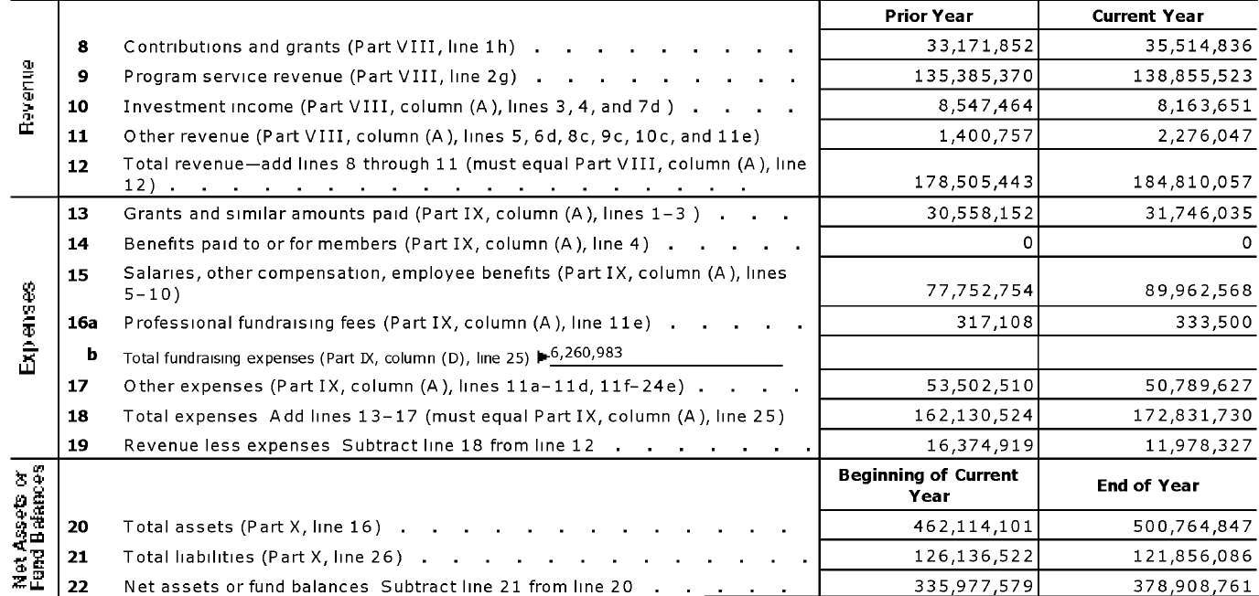
compute Grants/begin Endowment and average over 5 years for %endow used for grants
No, Grants has too many missing values. Untrustwowrthy |  |  |  |  |  |  |  |  |  |  |  |  |  | Contributions & grants are $ from fundraising (cash and noncash) that can be used immediately + gov grants
I don't see much use for Other and Admin Expenses, especially since so many Admin are missing values |  |  |  |  |  |  |  |  |  |  |  |  |  | tuition & fees and other revenue sources
 |  |  |  |  |  |  |  |  |  |  |  |  |  | 3=invest inc (div, int) + 4=tax-exmpt bond proceeds + 7d=cap gain from asset sale
Need number of students to compute endowment per student and other per student variables
We know number of individuals employed so could also use this as a denominator for a rate

If you know billed tuition & fees, could divide Tuition & Fees Revenue/billed to estimate #FTE students |  |  |  |  |  |  |  |  |  |  |  |  |  | grants paid to students (dom & int)

 |  |  |  |  |  |  |  |  |  |  |  |  |  | total employee compensation

HistInvRet
Histogram of 5yr Avg %ret
Variable | 5yr Avg %ret |  | 9 | 9 | 0.07 | 0
Number Obs | 46 |  |  |  | 0.07 | 2
Number Non-missing | 46 |  |  |  | 0.08 | 2
Number Missing | 0 |  |  |  | 0.08 | 1
Number of Unique values | 46 |  |  |  | 0.09 | 1
Mean | 0.120 |  |  |  | 0.09 | 3
SD | 0.018 |  |  |  | 0.1 | 3
Min | 0.079 |  |  |  | 0.1 | 7
25th Percentile | 0.109 |  |  |  | 0.11 | 7
Median | 0.119 |  |  |  | 0.11 | 11
75th Percentile | 0.135 |  |  |  | 0.12 | 11
Max | 0.156 |  |  |  | 0.12 | 7
 |  |  |  |  | 0.13 | 7
 |  |  |  |  | 0.13 | 9
 |  | Data Source: EndowmentsAdmin!$AV$2:$AV$48 |  |  | 0.14 | 9
 |  | Note: Class intervals include the left endpoint, but not the right endpoint. |  |  | 0.14 | 5
 |  |  |  |  | 0.15 | 5
 |  | Endowment investment performance |  |  | 0.15 | 1
 |  | Not used in the paper. |  |  | 0.16 | 1
 |  |  |  |  | 0.16 | 0

HistCAGR
Histogram of CAGR
Variable | CAGR |  | 16 | 8 | 0.03199091657 | 0
Number Obs | 46 |  |  |  | 0.03199091657 | 2
Number Non-missing | 46 |  |  |  | 0.040412752788 | 2
Number Missing | 0 |  |  |  | 0.040412752788 | 1
Number of Unique values | 46 |  |  |  | 0.048834589005 | 1
Mean | 8.78% |  |  |  | 0.048834589005 | 2
SD | 2.69% |  |  |  | 0.057256425223 | 2
Min | 3.20% |  |  |  | 0.057256425223 | 2
25th Percentile | 7.34% |  |  |  | 0.06567826144 | 2
Median | 8.17% |  |  |  | 0.06567826144 | 6
75th Percentile | 10.33% |  |  |  | 0.074100097658 | 6
Max | 16.67% |  |  |  | 0.074100097658 | 12
 |  |  |  |  | 0.082521933876 | 12
 |  |  |  |  | 0.082521933876 | 2
 |  | Data Source: EndowmentsAdmin!$AP$2:$AP$48 |  |  | 0.090943770093 | 2
 |  | Note: Class intervals include the left endpoint, but not the right endpoint, with the exception of the last interval, which includes both endpoints. |  |  | 0.090943770093 | 5
 |  |  |  |  | 0.099365606311 | 5
 |  |  | No. Obs. |  | 0.099365606311 | 4
 |  | 0.032 to 0.0404 | 2 |  | 0.10778744253 | 4
 |  | 0.0404 to 0.0488 | 1 |  | 0.10778744253 | 3
 |  | 0.0488 to 0.0573 | 2 |  | 0.11620927875 | 3
 |  | 0.0573 to 0.0657 | 2 |  | 0.11620927875 | 3
 |  | 0.0657 to 0.0741 | 6 |  | 0.12463111496 | 3
 |  | 0.0741 to 0.0825 | 12 |  | 0.12463111496 | 2
 |  | 0.0825 to 0.0909 | 2 |  | 0.13305295118 | 2
 |  | 0.0909 to 0.0994 | 5 |  | 0.13305295118 | 0
 |  | 0.0994 to 0.1078 | 4 |  | 0.1414747874 | 0
 |  | 0.1078 to 0.1162 | 3 |  | 0.1414747874 | 1
 |  | 0.1162 to 0.1246 | 3 |  | 0.14989662362 | 1
 |  | 0.1246 to 0.1331 | 2 |  | 0.14989662362 | 0
 |  | 0.1331 to 0.1415 | 0 |  | 0.15831845983 | 0
 |  | 0.1415 to 0.1499 | 1 |  | 0.15831845983 | 1
 |  | 0.1499 to 0.1583 | 0 |  | 0.16674029605 | 1
 |  | 0.1583 to 0.1667 | 1 |  | 0.16674029605 | 0

HistDraw
Histogram of 5yr Avg Draw
Variable | 5yr Avg Draw |  | 28 | 8 | 0.012460631412 | 0
Number Obs | 46 |  |  |  | 0.012460631412 | 1
Number Non-missing | 46 |  |  |  | 0.01501763518 | 1
Number Missing | 0 |  |  |  | 0.01501763518 | 0
Number of Unique values | 46 |  |  |  | 0.017574638947 | 0
Mean | 5.2% |  |  |  | 0.017574638947 | 0
SD | 1.2% |  |  |  | 0.020131642714 | 0
Min | 1.2% |  |  |  | 0.020131642714 | 0
25th Percentile | 4.5% |  |  |  | 0.022688646482 | 0
Median | 5.1% |  |  |  | 0.022688646482 | 0
75th Percentile | 5.8% |  |  |  | 0.025245650249 | 0
Max | 8.4% |  |  |  | 0.025245650249 | 0
 |  |  |  |  | 0.027802654017 | 0
 |  |  |  |  | 0.027802654017 | 0
 |  | Data Source: EndowmentsAdmin!$BC$2:$BC$48 |  |  | 0.030359657784 | 0
 |  | Note: Class intervals include the left endpoint, but not the right endpoint, with the exception of the last interval, which includes both endpoints. |  |  | 0.030359657784 | 0
 |  |  |  |  | 0.032916661551 | 0
 |  |  | No. Obs. |  | 0.032916661551 | 0
 |  | 0.0125 to 0.015 | 1 |  | 0.035473665319 | 0
 |  | 0.015 to 0.0176 | 0 |  | 0.035473665319 | 3
 |  | 0.0176 to 0.0201 | 0 |  | 0.038030669086 | 3
 |  | 0.0201 to 0.0227 | 0 |  | 0.038030669086 | 3
 |  | 0.0227 to 0.0252 | 0 |  | 0.040587672853 | 3
 |  | 0.0252 to 0.0278 | 0 |  | 0.040587672853 | 2
 |  | 0.0278 to 0.0304 | 0 |  | 0.043144676621 | 2
 |  | 0.0304 to 0.0329 | 0 |  | 0.043144676621 | 3
 |  | 0.0329 to 0.0355 | 0 |  | 0.045701680388 | 3
 |  | 0.0355 to 0.038 | 3 |  | 0.045701680388 | 3
 |  | 0.038 to 0.0406 | 3 |  | 0.048258684155 | 3
 |  | 0.0406 to 0.0431 | 2 |  | 0.048258684155 | 8
 |  | 0.0431 to 0.0457 | 3 |  | 0.050815687923 | 8
 |  | 0.0457 to 0.0483 | 3 |  | 0.050815687923 | 2
 |  | 0.0483 to 0.0508 | 8 |  | 0.05337269169 | 2
 |  | 0.0508 to 0.0534 | 2 |  | 0.05337269169 | 5
 |  | 0.0534 to 0.0559 | 5 |  | 0.055929695458 | 5
 |  | 0.0559 to 0.0585 | 5 |  | 0.055929695458 | 5
 |  | 0.0585 to 0.061 | 5 |  | 0.058486699225 | 5
 |  | 0.061 to 0.0636 | 2 |  | 0.058486699225 | 5
 |  | 0.0636 to 0.0662 | 0 |  | 0.061043702992 | 5
 |  | 0.0662 to 0.0687 | 1 |  | 0.061043702992 | 2
 |  | 0.0687 to 0.0713 | 0 |  | 0.06360070676 | 2
 |  | 0.0713 to 0.0738 | 1 |  | 0.06360070676 | 0
 |  | 0.0738 to 0.0764 | 1 |  | 0.066157710527 | 0
 |  | 0.0764 to 0.0789 | 0 |  | 0.066157710527 | 1
 |  | 0.0789 to 0.0815 | 0 |  | 0.068714714294 | 1
 |  | 0.0815 to 0.0841 | 1 |  | 0.068714714294 | 0
 |  |  |  |  | 0.071271718062 | 0
 |  |  |  |  | 0.071271718062 | 1
 |  |  |  |  | 0.073828721829 | 1
 |  |  |  |  | 0.073828721829 | 1
 |  |  |  |  | 0.076385725597 | 1
 |  |  |  |  | 0.076385725597 | 0
 |  |  |  |  | 0.078942729364 | 0
 |  |  |  |  | 0.078942729364 | 0
 |  |  |  |  | 0.081499733131 | 0
 |  |  |  |  | 0.081499733131 | 1
 |  |  |  |  | 0.084056736899 | 1
 |  |  |  |  | 0.084056736899 | 0

Comparing
Comparing Beginning Endowment
EIN | Taxpayer Name | CYBeginYearEndow | CYEndYearEndow | UnitID | Institution Name | Value of endowment assets at the beginning of the fiscal year (F1314_F2_RV) | Value of endowment assets at the end of the fiscal year (F1314_F2_RV) | 990 - IPEDS Begin | 990 - IPEDS End | Taxpayer Name | %Diff IPEDS Begin | %Diff IPEDS End
231352635 | FRANKLIN AND MARSHALL COLLEGE | $270,558,942 | $300,656,053 | 212577 | Franklin and Marshall College | $306,219,000 | $339,204,000 | $(35,660,058) | $(38,547,947) | FRANKLIN AND MARSHALL COLLEGE | -11.6% | -11.4%
150532200 | TRUSTEES OF HAMILTON COLLEGE | $710,428,368 | $858,839,074 | 191515 | Hamilton College | $773,828,000 | $927,520,000 | $(63,399,632) | $(68,680,926) | TRUSTEES OF HAMILTON COLLEGE | -8.2% | -7.4%
910567740 | WHITMAN COLLEGE | $414,542,107 | $477,132,462 | 237057 | Whitman College | $444,603,000 | $504,524,000 | $(30,060,893) | $(27,391,538) | WHITMAN COLLEGE | -6.8% | -5.4%
231177930 | URSINUS COLLEGE | $122,472,260 | $139,317,114 | 216524 | Ursinus College | $129,080,566 | $146,575,155 | $(6,608,306) | $(7,258,041) | URSINUS COLLEGE | -5.1% | -5.0%
410693962 | MACALESTER COLLEGE | $663,324,373 | $718,442,436 | 173902 | Macalester College | $694,311,000 | $749,550,000 | $(30,986,627) | $(31,107,564) | MACALESTER COLLEGE | -4.5% | -4.2%
350868202 | WABASH COLLEGE | $339,789,723 | $362,448,629 | 152673 | Wabash College | $348,138,423 | $371,229,584 | $(8,348,700) | $(8,780,955) | WABASH COLLEGE | -2.4% | -2.4%
540505940 | RANDOLPH-MACON COLLEGE | $129,759,886 | $149,933,815 | 233295 | Randolph-Macon College | $131,812,369 | $152,138,039 | $(2,052,483) | $(2,204,224) | RANDOLPH-MACON COLLEGE | -1.6% | -1.4%
314379507 | KENYON COLLEGE | $193,161,995 | $210,519,201 | 203535 | Kenyon College | $195,216,515 | $212,159,850 | $(2,054,520) | $(1,640,649) | KENYON COLLEGE | -1.1% | -0.8%
560529961 | DAVIDSON COLLEGE | $564,626,876 | $649,341,795 | 198385 | Davidson College | $566,028,827 | $647,919,787 | $(1,401,951) | $1,422,008 | DAVIDSON COLLEGE | -0.2% | 0.2%
236002304 | HAVERFORD COLLEGE | $433,261,211 | $488,050,406 | 212911 | Haverford College | $434,233,554 | $490,699,895 | $(972,343) | $(2,649,489) | HAVERFORD COLLEGE | -0.2% | -0.5%
240795965 | LYCOMING COLLEGE | $167,608,000 | $198,093,000 | 213668 | Lycoming College | $167,609,000 | $198,093,000 | $(1,000) | $- | LYCOMING COLLEGE | 0.0% | 0.0%
42103637 | WELLESLEY COLLEGE | $1,576,336,888 | $1,834,136,919 | 168218 | Wellesley College | $1,576,337,000 | $1,834,137,000 | $(112) | $(81) | WELLESLEY COLLEGE | 0.0% | 0.0%
42103558 | COLLEGE OF THE HOLY CROSS | $634,912,204 | $726,052,159 | 166124 | College of the Holy Cross | $634,912,206 | $726,231,559 | $(2) | $(179,400) | COLLEGE OF THE HOLY CROSS | 0.0% | 0.0%
580566116 | AGNES SCOTT COLLEGE | $251,001,216 | $272,331,405 | 138600 | Agnes Scott College | $251,001,216 | $272,331,405 | $- | $- | AGNES SCOTT COLLEGE | 0.0% | 0.0%
131628149 | BARNARD COLLEGE | $240,710,000 | $282,048,169 | 189097 | Barnard College | $240,710,000 | $282,048,000 | $- | $169 | BARNARD COLLEGE | 0.0% | 0.0%
10211781 | BATES COLLEGE | $233,803,986 | $263,892,125 | 160977 | Bates College | $233,803,986 | $263,892,125 | $- | $- | BATES COLLEGE | 0.0% | 0.0%
Comparing Ending Endowment
10215213 | BOWDOIN COLLEGE | $1,038,640,000 | $1,216,030,000 | 161004 | Bowdoin College | $1,038,640,000 | $1,216,030,000 | $- | $- | BOWDOIN COLLEGE | 0.0% | 0.0%
610444671 | CENTRE COLLEGE | $231,243,960 | $267,165,187 | 156408 | Centre College | $231,243,960 | $267,165,187 | $- | $- | CENTRE COLLEGE | 0.0% | 0.0%
10211497 | COLBY COLLEGE | $649,992,000 | $740,631,000 | 161086 | Colby College | $649,992,000 | $740,631,000 | $- | $- | COLBY COLLEGE | 0.0% | 0.0%
420680335 | CORNELL COLLEGE | $66,999,430 | $73,773,269 | 153162 | Cornell College | $66,999,430 | $73,773,269 | $- | $- | CORNELL COLLEGE | 0.0% | 0.0%
350869045 | DEPAUW UNIVERSITY | $549,015,343 | $627,746,247 | 150400 | DePauw University | $549,015,343 | $627,746,247 | $- | $- | DEPAUW UNIVERSITY | 0.0% | 0.0%
231352641 | GETTYSBURG COLLEGE | $261,569,952 | $289,299,515 | 212674 | Gettysburg College | $261,569,952 | $289,299,515 | $- | $- | GETTYSBURG COLLEGE | 0.0% | 0.0%
350868096 | HANOVER COLLEGE | $136,789,516 | $151,105,668 | 150756 | Hanover College | $136,789,516 | $151,105,668 | $- | $- | HANOVER COLLEGE | 0.0% | 0.0%
381358014 | KALAMAZOO COLLEGE | $192,294,969 | $222,047,672 | 170532 | Kalamazoo College | $192,294,969 | $222,047,672 | $- | $- | KALAMAZOO COLLEGE | 0.0% | 0.0%
370673513 | KNOX COLLEGE | $98,752,347 | $124,428,259 | 146427 | Knox College | $98,752,347 | $124,428,259 | $- | $- | KNOX COLLEGE | 0.0% | 0.0%
240795686 | LAFAYETTE COLLEGE | $749,031,061 | $832,811,462 | 213385 | Lafayette College | $749,031,061 | $832,811,462 | $- | $- | LAFAYETTE COLLEGE | 0.0% | 0.0%
390806297 | LAWRENCE UNIVERSITY | $212,431,926 | $249,472,855 | 239017 | Lawrence University | $212,431,926 | $249,472,855 | $- | $- | LAWRENCE UNIVERSITY | 0.0% | 0.0%
741233796 | SOUTHWESTERN UNIVERSITY | $252,949,637 | $265,590,566 | 228343 | Southwestern University | $252,949,637 | $265,590,566 | $- | $- | SOUTHWESTERN UNIVERSITY | 0.0% | 0.0%
231352683 | SWARTHMORE COLLEGE | $1,634,685,000 | $1,876,669,000 | 216287 | Swarthmore College | $1,634,685,000 | $1,876,669,000 | $- | $- | SWARTHMORE COLLEGE | 0.0% | 0.0%
340714654 | COLLEGE OF WOOSTER | $247,092,897 | $278,112,603 | 206589 | The College of Wooster | $247,092,897 | $278,112,603 | $- | $- | COLLEGE OF WOOSTER | 0.0% | 0.0%
42103638 | WHEATON COLLEGE MA | $176,062,312 | $193,544,650 | 168281 | Wheaton College | $176,062,312 | $193,544,650 | $- | $- | WHEATON COLLEGE MA | 0.0% | 0.0%
420680387 | TRUSTEES OF GRINNELL COLLEGE | $1,553,629,299 | $1,829,521,187 | 153384 | Grinnell College | $1,553,629,000 | $1,829,521,000 | $299 | $187 | TRUSTEES OF GRINNELL COLLEGE | 0.0% | 0.0%
951664112 | POMONA COLLEGE | $1,823,441,482 | $2,101,460,736 | 121345 | Pomona College | $1,823,441,000 | $2,101,461,000 | $482 | $(264) | POMONA COLLEGE | 0.0% | 0.0%
141338587 | VASSAR COLLEGE | $868,744,442 | $974,179,926 | 197133 | Vassar College | $868,741,153 | $974,179,926 | $3,289 | $- | VASSAR COLLEGE | 0.0% | 0.0%
141338580 | TRUSTEES OF UNION COLLEGE | $358,608,739 | $415,844,050 | 196866 | Union College | $358,600,000 | $415,800,000 | $8,739 | $44,050 | TRUSTEES OF UNION COLLEGE | 0.0% | 0.0%
314379459 | DENISON UNIVERSITY | $693,709,382 | $801,306,901 | 202523 | Denison University | $691,739,982 | $799,108,339 | $1,969,400 | $2,198,562 | DENISON UNIVERSITY | 0.3% | 0.3%
580566243 | SPELMAN COLLEGE | $328,779,797 | $368,648,473 | 141060 | Spelman College | $327,171,376 | $367,036,697 | $1,608,421 | $1,611,776 | SPELMAN COLLEGE | 0.5% | 0.4%
410694747 | CARLETON COLLEGE | $704,714,660 | $794,308,177 | 173258 | Carleton College | $700,540,278 | $792,737,205 | $4,174,382 | $1,570,972 | CARLETON COLLEGE | 0.6% | 0.2%
250965212 | ALLEGHENY COLLEGE | $164,309,138 | $195,994,889 | 210669 | Allegheny College | $162,801,245 | $184,693,333 | $1,507,893 | $11,301,556 | ALLEGHENY COLLEGE | 0.9% | 6.1%
540505906 | HAMPDEN SYDNEY COLLEGE | $135,681,072 | $152,694,312 | 232256 | Hampden-Sydney College | $134,228,145 | $150,901,016 | $1,452,927 | $1,793,296 | HAMPDEN SYDNEY COLLEGE | 1.1% | 1.2%
381359081 | ALBION COLLEGE | $175,131,823 | $193,229,937 | 168546 | Albion College | $173,147,287 | $187,707,113 | $1,984,536 | $5,522,824 | ALBION COLLEGE | 1.1% | 2.9%
951664123 | SCRIPPS COLLEGE | $287,855,306 | $318,406,736 | 123165 | Scripps College | $282,289,240 | $310,536,027 | $5,566,066 | $7,870,709 | SCRIPPS COLLEGE | 2.0% | 2.5%
390826049 | RIPON COLLEGE | $73,286,802 | $84,583,810 | 239628 | Ripon College | $71,227,447 | $82,493,657 | $2,059,355 | $2,090,153 | RIPON COLLEGE | 2.9% | 2.5%
231365954 | DICKINSON COLLEGE | $383,627,404 | $430,826,413 | 212009 | Dickinson College | $356,738,667 | $396,265,465 | $26,888,737 | $34,560,948 | DICKINSON COLLEGE | 7.5% | 8.7%
390808497 | BELOIT COLLEGE | $129,711,883 | $142,277,624 | 238333 | Beloit College | $117,227,267 | $130,761,615 | $12,484,616 | $11,516,009 | BELOIT COLLEGE | 10.6% | 8.8%
42103542 | TRUSTEES OF AMHERST COLLEGE | $2,105,519,441 | $2,472,706,177 | 164465 | Amherst College | $1,823,748,203 | $2,149,202,662 | $281,771,238 | $323,503,515 | TRUSTEES OF AMHERST COLLEGE | 15.5% | 15.1%

EndowDPUWab
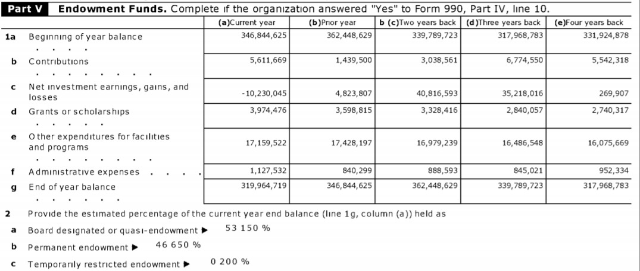
2013 Form 990 | 5 years from 7/1/2009 to 6/30/2014 | ns1:BeginningYearBalanceAmt | ns1:ContributionsAmt | ns1:InvestmentEarningsOrLossesAmt | ns1:GrantsOrScholarshipsAmt | ns1:OtherExpendituresAmt | ns1:AdministrativeExpensesAmt | ns1:EndYearBalanceAmt | ns1:BeginningYearBalanceAmtxxx | ns1:ContributionsAmtxxx | ns1:InvestmentEarningsOrLossesAmtxxx | ns1:GrantsOrScholarshipsAmtxxx | ns1:OtherExpendituresAmtxxx | ns1:AdministrativeExpensesAmtxxx | ns1:EndYearBalanceAmtxxx | ns1:BeginningYearBalanceAMTxxx | ns1:ContributionsAMTxxx | ns1:InvestmentEarningsOrLossesAMTxxx | ns1:GrantsOrScholarshipsAMTxxx | ns1:OtherExpendituresAMTxxx | ns1:AdministrativeExpensesAMTxxx | ns1:EndYearBalanceAMTxxx | ns1:BeginningYearBalanceAMTxxx | ns1:ContributionsAMTxxx | ns1:InvestmentEarningsOrLossesAMTxxx | ns1:GrantsOrScholarshipsAMTxxx | ns1:OtherExpendituresAMTxxx | ns1:AdministrativeExpensesAMTxxx | ns1:EndYearBalanceAMTxxx | ns1:BeginningYearBalanceAMTxxx | ns1:ContributionsAMTxxx | ns1:InvestmentEarningsOrLossesAMTxxx | ns1:GrantsOrScholarshipsAMTxxx | ns1:OtherExpendituresAMTxxx | ns1:AdministrativeExpensesAMTxxx | ns1:EndYearBalanceAMTxxx |  |  |  |  |  |  |  |  |  |  |  |  |  |  |  |  | Endowment investment performance |  |  |  |  |  |  |  |  | Endowment Draw
EIN | Taxpayer Name | CYBeginYearEndow | CYContributions | CYInvEarnLoss | CYGrantsScholarships | CYOtherExpenditures | CYAdminExpenses | CYEndYearEndow | PYBeginYearEndow | PYContributions | PYInvEarnLoss | PYGrantsScholarships | PYOtherExpenditures | PYAdminExpenses | PYEndYearEndow | 2YBeginYearEndow | 2YContributions | 2YInvEarnLoss | 2YGrantsScholarships | 2YOtherExpenditures | 2YAdminExpenses | 2YEndYearEndow | 3YBeginYearEndow | 3YContributions | 3YInvEarnLoss | 3YGrantsScholarships | 3YOtherExpenditures | 3YAdminExpenses | 3YEndYearEndow | 4YBeginYearEndow | 4YContributions | 4YInvEarnLoss | 4YGrantsScholarships | 4YOtherExpenditures | 4YAdminExpenses | 4YEndYearEndow |  |  |  |  |  |  |  |  |  |  |  |  |  |  | 5 YR % change | CAGR | CY %ret | PY %ret | Y2 %ret | Y3 %ret | Y4 %ret |  |  | 5yr Avg %ret | 5yr SD %ret | CY %Draw | PY %Draw | Y2 %Draw | Y3 %Draw | Y4 %Draw |  |  | 5yr Avg Draw | 5yr SD Draw
350869045 | DEPAUW UNIVERSITY | $549,015,343 | $20,703,876 | $87,003,371 | $15,299,288 | $10,731,334 | $2,945,721 | $627,746,247 | $483,049,622 | $37,975,648 | $56,506,890 | $15,469,291 | $10,931,186 | $2,116,340 | $549,015,343 | $500,923,763 | $7,262,743 | $3,842,377 | $17,113,054 | $9,286,179 | $2,580,028 | $483,049,622 | $435,056,793 | $6,593,597 | $87,755,853 | $16,306,816 | $9,530,787 | $2,644,877 | $500,923,763 | $425,363,509 | $3,476,417 | $34,666,064 | $17,156,545 | $9,636,949 | $1,655,703 | $435,056,793 |  |  |  |  |  |  |  |  |  |  |  |  |  |  | 47.6% | 8.1% | 15.8% | 11.7% | 0.8% | 20.2% | 8.1% |  |  | 11.3% | 6.6% | 5.3% | 5.9% | 5.8% | 6.5% | 6.7% |  |  | 6.0% | 0.5%
350868202 | WABASH COLLEGE | $339,789,723 | $3,038,561 | $40,816,593 | $3,328,416 | $16,979,239 | $888,593 | $362,448,629 | $317,968,783 | $6,774,550 | $35,218,016 | $2,840,057 | $16,486,548 | $845,021 | $339,789,723 | $331,924,878 | $5,542,318 | $269,907 | $2,740,317 | $16,075,669 | $952,334 | $317,968,783 | $287,383,239 | $4,027,977 | $57,542,864 | $2,769,877 | $13,466,711 | $792,614 | $331,924,878 | $256,920,735 | $5,223,943 | $42,744,515 | $2,705,690 | $13,920,484 | $879,780 | $287,383,239 |  |  |  |  |  |  |  |  |  |  |  |  |  |  | 41.1% | 7.1% | 12.0% | 11.1% | 0.1% | 20.0% | 16.6% |  |  | 12.0% | 6.8% | 6.2% | 6.3% | 6.0% | 5.9% | 6.8% |  |  | 6.3% | 0.3%
2015 Form 990 | 7 years from 7/1/2009 to 6/30/2016
EIN | Taxpayer Name | 2015BeginYearEndow | 2015Contributions | 2015InvEarnLoss | 2015GrantsScholarships | 2015OtherExpenditures | 2015AdminExpenses | 2015EndYearEndow | 2014BeginYearEndow | 2014Contributions | 2014InvEarnLoss | 2014GrantsScholarships | 2014OtherExpenditures | 2014AdminExpenses | 2014EndYearEndow | 2013BeginYearEndow | 2013Contributions | 2013InvEarnLoss | 2013GrantsScholarships | 2013OtherExpenditures | 2013AdminExpenses | 2013EndYearEndow | 2012BeginYearEndow | 2012Contributions | 2012InvEarnLoss | 2012GrantsScholarships | 2012OtherExpenditures | 2012AdminExpenses | 2012EndYearEndow | 2011BeginYearEndow | 2011Contributions | 2011InvEarnLoss | 2011GrantsScholarships | 2011OtherExpenditures | 2011AdminExpenses | 2011EndYearEndow | 2010BeginYearEndow | 2010Contributions | 2010InvEarnLoss | 2010GrantsScholarships | 2010OtherExpenditures | 2010AdminExpenses | 2010EndYearEndow | 2009BeginYearEndow | 2009Contributions | 2009InvEarnLoss | 2009GrantsScholarships | 2009OtherExpenditures | 2009AdminExpenses | 2009EndYearEndow | 7 YR % change | CAGR | 2015 %ret | 2014 %ret | 2013 %ret | 2012 %ret | 2011 %ret | 2010 %ret | 2009 %ret | 7yr Avg %ret | 7yr SD %ret | 2015 %Draw | 2014 %Draw | 2013 %Draw | 2012 %Draw | 2011 %Draw | 2010 %Draw | 2009 %Draw | 7yr Avg Draw | 7yr SD Draw
350869045 | DEPAUW UNIVERSITY | $643,786,629 | $32,208,264 | $(27,292,736) | $18,178,136 | $13,314,585 | $2,638,046 | $614,568,390 | $627,746,247 | $12,890,682 | $35,472,394 | $17,311,267 | $12,164,213 | $2,847,214 | $643,786,629 | $549,015,343 | $20,703,876 | $87,003,371 | $15,299,288 | $10,731,334 | $2,945,721 | $627,746,247 | $483,049,622 | $37,975,648 | $56,506,890 | $15,469,291 | $10,931,186 | $2,116,340 | $549,015,343 | $500,923,763 | $7,262,743 | $3,842,377 | $17,113,054 | $9,286,179 | $2,580,028 | $483,049,622 | $435,056,793 | $6,593,597 | $87,755,853 | $16,306,816 | $9,530,787 | $2,644,877 | $500,923,763 | $425,363,509 | $3,476,417 | $34,666,064 | $17,156,545 | $9,636,949 | $1,655,703 | $435,056,793 | 44.5% | 5.4% | -4.2% | 5.7% | 15.8% | 11.7% | 0.8% | 20.2% | 8.1% | 8.3% | 7.8% | 5.3% | 5.1% | 5.3% | 5.9% | 5.8% | 6.5% | 6.7% | 5.8% | 0.6%
350868202 | WABASH COLLEGE | $346,844,625 | $5,611,669 | $(10,230,045) | $3,974,476 | $17,159,522 | $1,127,532 | $319,964,719 | $362,448,629 | $1,439,500 | $4,823,807 | $3,598,815 | $17,428,197 | $840,299 | $346,448,629 | $339,789,723 | $3,038,561 | $40,816,593 | $3,328,416 | $16,979,239 | $888,593 | $362,448,629 | $317,968,783 | $6,774,550 | $35,218,016 | $2,840,057 | $16,486,548 | $845,021 | $339,789,723 | $331,924,878 | $5,542,318 | $269,907 | $2,740,317 | $16,075,669 | $952,334 | $317,968,783 | $287,383,239 | $4,027,977 | $57,542,864 | $2,769,877 | $13,466,711 | $792,614 | $331,924,878 | $256,920,735 | $5,223,943 | $42,744,515 | $2,705,690 | $13,920,484 | $879,780 | $287,383,239 | 24.5% | 3.2% | -2.9% | 1.3% | 12.0% | 11.1% | 0.1% | 20.0% | 16.6% | 8.3% | 8.2% | 6.4% | 6.0% | 6.2% | 6.3% | 6.0% | 5.9% | 6.8% | 6.2% | 0.3%

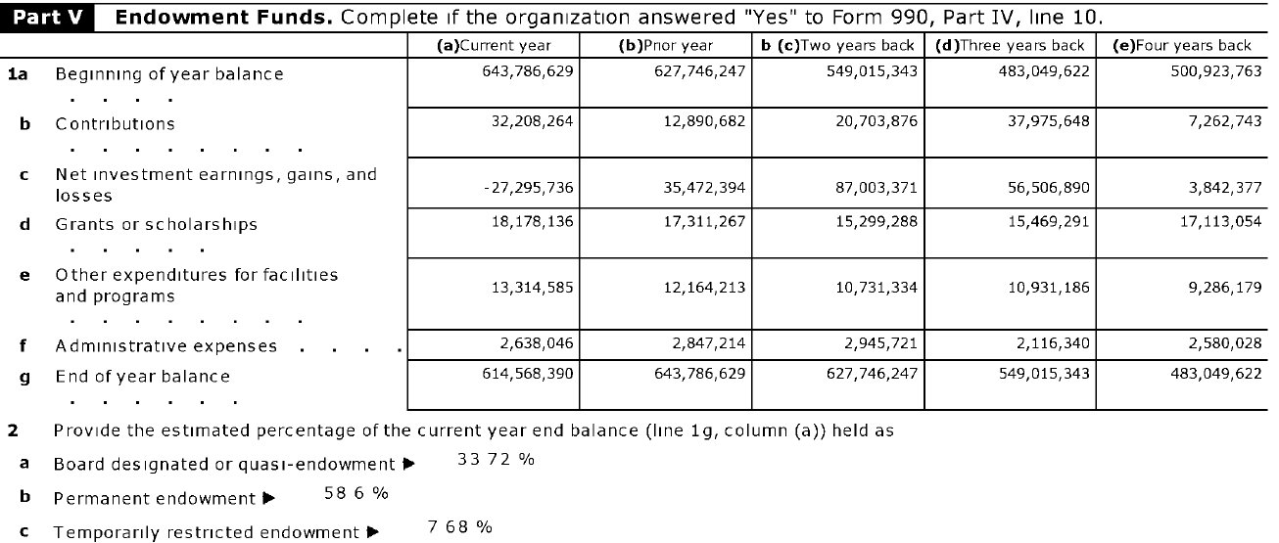
 |  |  |  |  |  |  |  |  |  |  |  |  |  |  |  |  |  |  |  |  |  |  |  |  |  |  |  |  |  |  |  |  |  |  |  |  |  |  |  |  |  |  |  |  |  |  |  |  |  |  |  |  |  | Year | Stock Market Calendar Year Return
Depauw and Wabash from 2015 |  |  |  |  |  |  |  |  |  |  |  |  |  |  |  |  |  |  |  |  |  |  |  |  |  |  |  |  |  |  |  |  |  |  |  |  |  |  |  |  |  |  |  |  |  |  |  |  |  |  |  |  |  | 2008 | -37.00%
 |  |  |  |  |  |  |  |  |  |  |  |  |  |  |  |  |  |  |  |  |  |  |  |  |  |  |  |  |  |  |  |  |  |  |  |  |  |  |  |  |  |  |  |  |  |  |  |  |  |  |  |  |  | 2009 | 26.50%
 |  |  |  |  |  |  |  |  |  |  |  |  |  |  |  |  |  |  |  |  |  |  |  |  |  |  |  |  |  |  |  |  |  |  |  |  |  |  |  |  |  |  |  |  |  |  |  |  |  |  |  |  |  | 2010 | 15.10%
 |  |  |  |  |  |  |  |  |  |  |  |  |  |  |  |  |  |  |  |  |  |  |  |  |  |  |  |  |  |  |  |  |  |  |  |  |  |  |  |  |  |  |  |  |  |  |  |  |  |  |  |  |  | 2011 | 2.10%
 |  |  |  |  |  |  |  |  |  |  |  |  |  |  |  |  |  |  |  |  |  |  |  |  |  |  |  |  |  |  |  |  |  |  |  |  |  |  |  |  |  |  |  |  |  |  |  |  |  |  |  |  |  | 2012 | 16.00%
 |  |  |  |  |  |  |  |  |  |  |  |  |  |  |  |  |  |  |  |  |  |  |  |  |  |  |  |  |  |  |  |  |  |  |  |  |  |  |  |  |  |  |  |  |  |  |  |  |  |  |  |  |  | 2013 | 32.40%
 |  |  |  |  |  |  |  |  |  |  |  |  |  |  |  |  |  |  |  |  |  |  |  |  |  |  |  |  |  |  |  |  |  |  |  |  |  |  |  |  |  |  |  |  |  |  |  |  |  |  |  |  |  | 2014 | 13.70%
 |  |  |  |  |  |  |  |  |  |  |  |  |  |  |  |  |  |  |  |  |  |  |  |  |  |  |  |  |  |  |  |  |  |  |  |  |  |  |  |  |  |  |  |  |  |  |  |  |  |  |  |  |  | 2015 | 1.40% | but rolling return shows negative year for particular starting months
 |  |  |  |  |  |  |  |  |  |  |  |  |  |  |  |  |  |  |  |  |  |  |  |  |  |  |  |  |  |  |  |  |  |  |  |  |  |  |  |  |  |  |  |  |  |  |  |  |  |  |  |  |  | 2016 | 11.90%
 |  |  |  |  |  |  |  |  |  |  |  |  |  |  |  |  |  |  |  |  |  |  |  |  |  |  |  |  |  |  |  |  |  |  |  |  |  |  |  |  |  |  |  |  |  |  |  |  |  |  |  |  |  | https://www.thebalance.com/stock-market-returns-by-year-2388543

